Catering Invoice
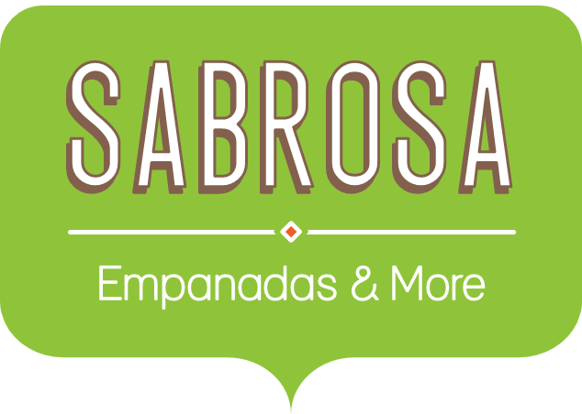 | Catering Invoice Sabrosa Empanadas & More 1202 Biscayne Bay Drive Orlando, FL 32804 | Invoice #: 5686B Date: 05/10/16

SERVICE | DESCRIPTION | LINE TOTAL
Menu Order | Food & beverage | £578.19
Paper Goods | Plates, utensils, cups | £244.19
Rental Equipment | Tables, chairs, linens | £249.95
Service Fee | 18% of food & beverage | £104.07
TOTAL |  | £1,176.40

